Sheet1
TestCase ID | Test Case name | Description | Precondition | Step | Expected Result | Actual Result | Imagee | Priority | Status | Comment | Tester
TC-01 | Testcase for Sign Up | Testcase for Sign Up in Pathao App | Valid Mobile Number and valid E-mail | 1. Open "Pathao" App 2. Select Language 3. Enter Valid Phone Number 4.Check Mobile for OTP 5. Enter OTP Code 6. click "SUBMIT" button 7. Giver Personal Information(Full Name, E-mail, Date of Bith, Gender) 8. Click "Sign Up" Button 9. Click " Agree and Continue" Button 10. Click "Give Permissions" Button 11. Skip "Digital Payment" 12. Varified that the page displayed user account Dashboard accurately | User should be able to Sign Up successfully | Successfully Sign Up to the App | 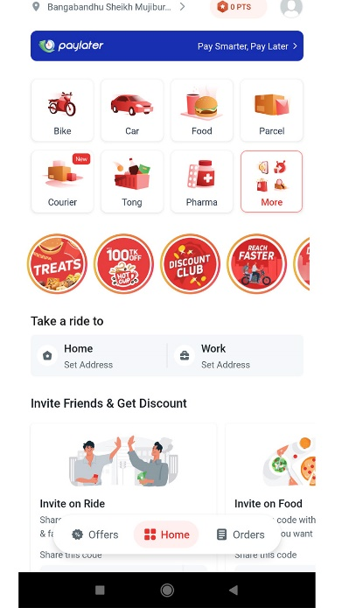 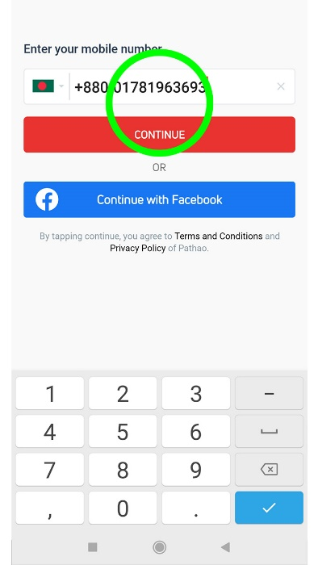 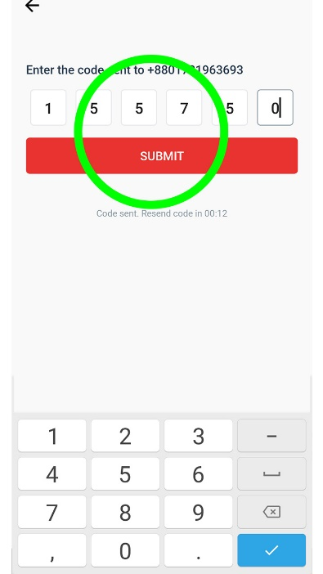 | High | Done | No comments | Md.Maynuddin
TC-02 | Testcase for Login | Testcase for "Login" in Pathao app | Valid Mobile Number | 1. Open" Pathao" App 2. Click "GET STARTED" Button 3. Enter Mobile Number 4. Check Mobile for OTP 5. Enter OTP code 6. click "SUBMIT" button 7. Varified that the page displayed user account Dashboard accurately | User should be able to Login successfully | Successfully Login to the App |  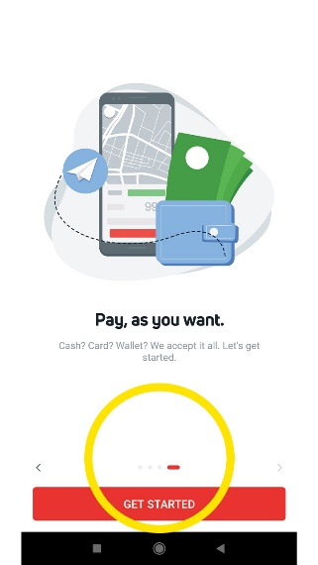 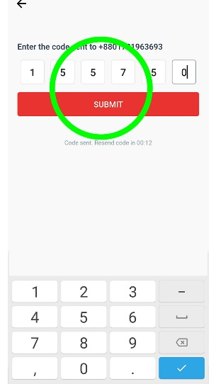 | High | Done | No comments | Md.Maynuddin
TC-03 | Testcase for ride booking | Testcase for ride booking of Pathao app | The user has logged in to the app and is on the home screen. | 1. Select a vehicle type (e.g. motorbike, car). 2. Enter the pickup and Destination locations. 3. Verify that the app shows "Offer your own fare" Pay via" 4. Click " Find Ride" Button 5. Confirm the booking | The user should be able to book a ride successfully | Successfully be able to book a ride | 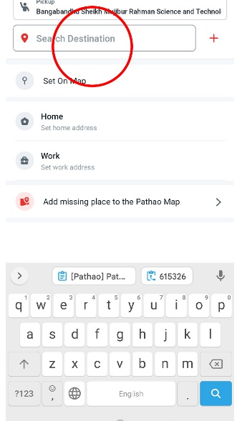  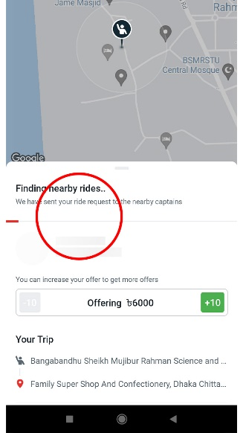 | High | Done | No comments | Md.Maynuddin
TC-4 | Testcase for Shop | Testcase for Shop from Pathao app | The user has logged in to the app and is on the home screen.s | 1.open "Pathao app" 2. Click "Shop" Option 3. Pick 5 or more categories of your interest. 4. Click " CONFIRM" button. 5. Go "Search Products" bar 6. Type Product name 7. Displyed the product accurately 8. Select Product quantity 9. Click "CONFIRM" Button. 10. Click "GO ADD TO CARD" button 11. Click " CHECKOUT" button. 12. Give Delivery Address 13. Click " PLACE ORDER" 14. Click "CONFIRM" button 15. Successfully Placed Order. | The user should be able to confirm order successfully | Successfully be able to place order | 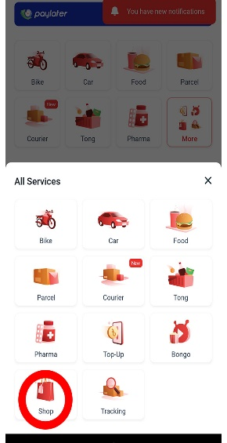 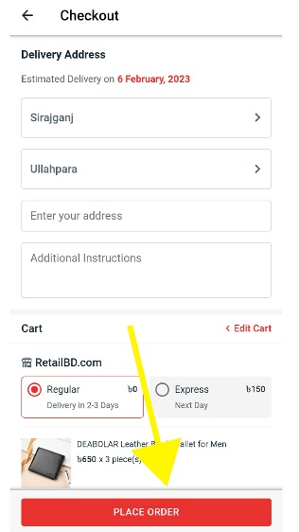 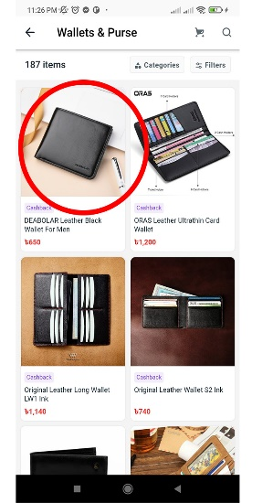 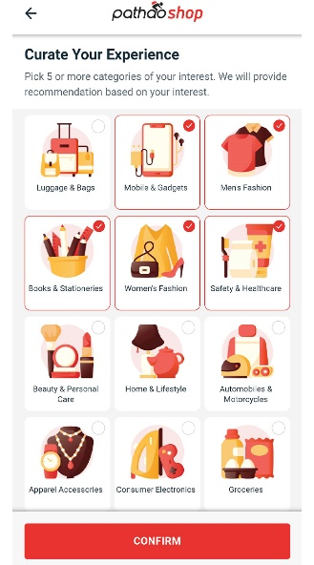 | High | Done | No comments | Md.Maynuddin

